Sheet1
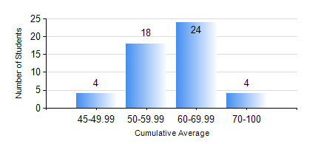
 |  |  | KWAME NKRUMAH UNIVERSITY OF SCIENCE AND TECHNOLOGY, KUMASI Department of Materials Engineering

 |  |  | BSC. MATERIALS ENG.

 |  |  | COMPREHENSIVE RECORD OF EXAMINATION RESULTS

 |  |  | RESULTS OF YEAR 4 SECOND SEMESTER, 2018/2019 ACADEMIC YEAR

 | Sn | Course Code |  | Course Name | Credit Hours | Min. Mark | Max. Mark | Avg. Mark | Std. Dev. | No. Passed | No. Trailed | No. (Df) | No. (I) | No. (I*) | No. Tagged(I,I*,Df) | Total
 | 0. |  |  |  |  |  |  | 0 | 0 | 0 | 0 | 0 | 0 | 0 | 0 | 1
 | 1. | CHE 452 |  | PROCESS CONTROL/SIMULATION | 4 | 14 | 79 | 60 | 11.03 | 48 | 1 | 0 | 0 | 0 | 0 | 49
 | 2. | ME 492 |  | MANAGEMENT AND ENTREPRENEURSHIP DEVELOPMENT | 2 | 0 | 66 | 55 | 9.94 | 48 | 1 | 0 | 0 | 0 | 0 | 49
 | 3. | MSE 452 |  | WASTE MANAGEMENT | 3 | 20 | 77 | 59 | 8.48 | 48 | 1 | 0 | 0 | 0 | 0 | 49
 | 4. | MSE 454 |  | SURFACE TREATMENT OF MATERIALS | 3 | 6 | 79 | 58 | 11.7 | 48 | 1 | 0 | 0 | 0 | 0 | 49
 | 5. | MSE 456 |  | MATERIALS QUALITY CONTROL, ASSURRANCE AND SELECTION | 3 | 18 | 76 | 64 | 8.44 | 48 | 1 | 0 | 0 | 0 | 0 | 49
 | 6. | MSE 498 |  | PROJECT II | 3 | 35 | 89 | 73 | 9.05 | 48 | 1 | 0 | 0 | 0 | 0 | 49

